Sheet1
Sum of Operating Profit | Sum of Total Sales | Sum of Units Sold | Average of Price per Unit
4,722,497 | 12,016,665 | 24,788,610 | $0.45

 | Sum of Total Sales | Column Labels
 |  | 2022 | 2023 | Grand Total
 | Row Labels
 | Coca-Cola | 499102 | 2268974.9 | 2768076.9
 | Dasani Water | 469270.7 | 1917827.8 | 2387098.5
 | Diet Coke | 423758.7 | 1633959.3 | 2057718
 | Fanta | 315489.2 | 1116062.9 | 1431552.1
 | Powerade | 349533.9 | 1302529.3 | 1652063.2
 | Sprite | 366578 | 1353578.3 | 1720156.3
 | Grand Total | 2423732.5 | 9592932.5 | 12016665

 | Sum of Total Sales | Column Labels
 |  | 2022 | 2023 | Grand Total
 | Row Labels
 | Amazon | 276210 | 1009698.7 | 1285908.7
 | BevCo | 466788 | 2327606.5 | 2794394.5
 | FizzyCo | 161210.1 | 2262827.1 | 2424037.2
 | Target | 9250.3 | 1341995 | 1351245.3
 | Walmart | 339912.5 | 580211 | 920123.5
 | West Soda | 1170361.6 | 2070594.2 | 3240955.8
 | Grand Total | 2423732.5 | 9592932.5 | 12016665

 | Years (Invoice Date) | Quarters (Invoice Date) | Sum of Total Sales | Average of Operating Margin
 | 2022 | Qtr1 | 692776.1 | 0.40174683544 | 2022 | Qtr1 | 692776.1 | 0.40174683544
 |  | Qtr2 | 644203.9 | 0.4 |  | Qtr2 | 644203.9 | 0.4
 |  | Qtr3 | 719170.4 | 0.41026548673 |  | Qtr3 | 719170.4 | 0.41026548673
 |  | Qtr4 | 367582.1 | 0.40243816254 |  | Qtr4 | 367582.1 | 0.40243816254
 | 2022 Total |  | 2423732.5 | 0.40373271889 | 2023 | Qtr1 | 1877584.3 | 0.4165704501
 | 2023 | Qtr1 | 1877584.3 | 0.4165704501 |  | Qtr2 | 2379424.8 | 0.42755819477
 |  | Qtr2 | 2379424.8 | 0.42755819477 |  | Qtr3 | 2805752.5 | 0.43470170455
 |  | Qtr3 | 2805752.5 | 0.43470170455 |  | Qtr4 | 2530170.9 | 0.42483932854
 |  | Qtr4 | 2530170.9 | 0.42483932854
 | 2023 Total |  | 9592932.5 | 0.42599568656
 | Grand Total |  | 12016665 | 0.42299129353

Dashboard
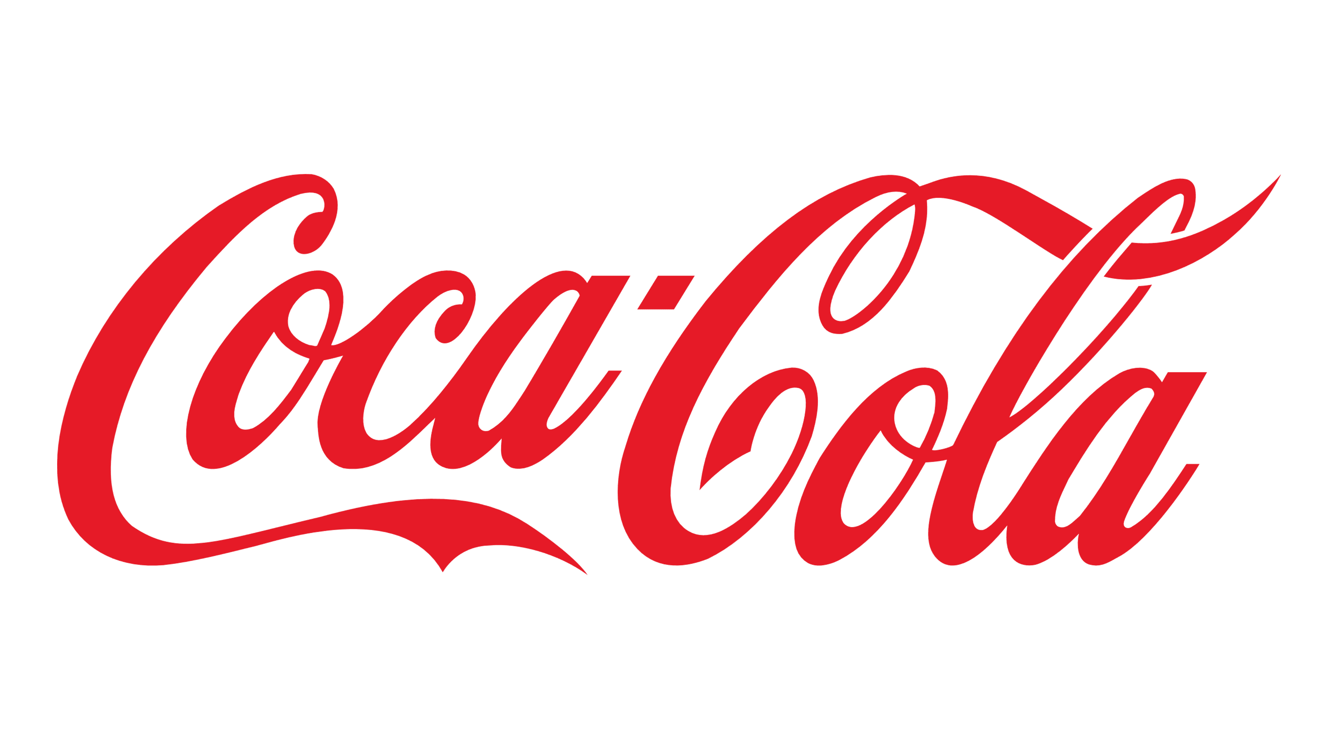
Coca-Cola USA Retailer Dashboard
Figures in USD

Total Sales
12,016,665
Units Sold
24,788,610
Average Price
$0.45
Total Operating Profit
4,722,497

Sales by Beverage Brand |  |  |  | Sales by Retailer
Brand | Sales 2022 | Sales 2023 | Variance | Retailer | Sales 2022 | Sales 2023 | Variance
Coca-Cola | 499,102 | 2,268,975 | 1,769,873 | Amazon | 276,210 | 1,009,699 | 733,489
Dasani Water | 469,271 | 1,917,828 | 1,448,557 | BevCo | 466,788 | 2,327,607 | 1,860,819
Diet Coke | 423,759 | 1,633,959 | 1,210,201 | FizzyCo | 161,210 | 2,262,827 | 2,101,617
Fanta | 315,489 | 1,116,063 | 800,574 | Target | 9,250 | 1,341,995 | 1,332,745
Powerade | 349,534 | 1,302,529 | 952,995 | Walmart | 339,913 | 580,211 | 240,299
Sprite | 366,578 | 1,353,578 | 987,000 | West Soda | 1,170,362 | 2,070,594 | 900,233
Grand Total | 2,423,733 | 9,592,933 | 7,169,200 | Grand Total | 2,423,732 | 9,592,933 | 7,169,200

Sales and Operating Profit Margin by Quarter
 | Sales | Operating Profit Margin
Qtr1 | 692776.1 | 0.40174683544
Qtr2 | 644203.9 | 0.4
Qtr3 | 719170.4 | 0.41026548673
Qtr4 | 367582.1 | 0.40243816254
Qtr1 | 1877584.3 | 0.4165704501
Qtr2 | 2379424.8 | 0.42755819477
Qtr3 | 2805752.5 | 0.43470170455
Qtr4 | 2530170.9 | 0.42483932854

Last update May 2024

